TimeSeries
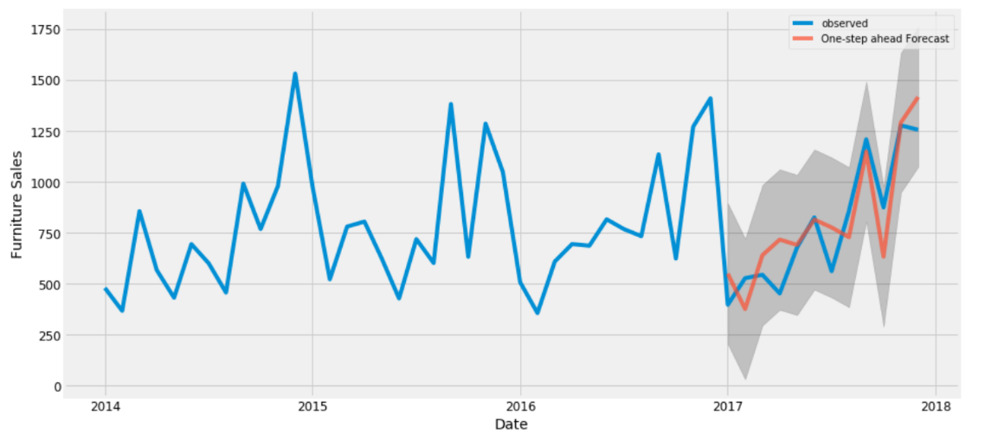
What is Time Series Forecasting?
Forecasting is a technique that uses historical data as inputs to make informed estimates that are predictive in determining the direction of future trends. Businesses utilize forecasting to determine how to allocate their budgets or plan for anticipated expenses for an upcoming period of time.

Step0
Classic Multiplicative Time Series Model

Yt = St * It * Tt * Ct | log(Yt) = log(St) + log(Tt) + log(Ct)
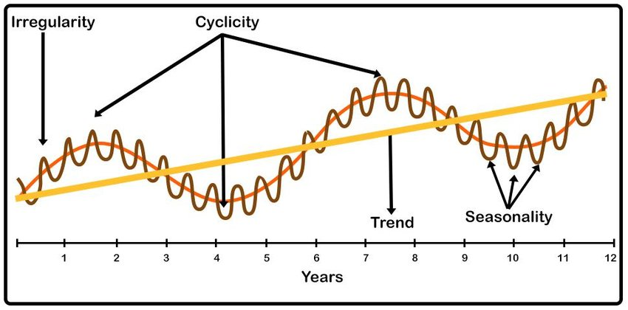
Yt | Time Series
St | Seasonal component
It | Irregular/Residual/Remainder Component
Tt | Trend Component
Ct | Cyclic Component

MA4 | Moving Average 4
CMA4 | Central Moving Average 4

http://www.youtube.com/KunaalNaik

https://machinelearningmastery.com/arima-for-time-series-forecasting-with-python/#targetText=ARIMA%20is%20an%20acronym%20that,time%20series%20data%20with%20Python.
https://otexts.com/fpp2/

Step1_Percentage
Create a forecast for 4 quarters ahead

time | Yr_Qtr | Year | Quarter | Sales | % Growth
1 | 2015-1 | 2015 | 1 | 68,000
2 | 2015-2 | 2015 | 2 | 61,000
3 | 2015-3 | 2015 | 3 | 80,000
4 | 2015-4 | 2015 | 4 | 85,000
5 | 2016-1 | 2016 | 1 | 78,000 | -8.2%
6 | 2016-2 | 2016 | 2 | 72,000 | -7.7%
7 | 2016-3 | 2016 | 3 | 88,000 | 22.2%
8 | 2016-4 | 2016 | 4 | 94,000 | 6.8%
9 | 2017-1 | 2017 | 1 | 80,000 | -14.9%
10 | 2017-2 | 2017 | 2 | 76,000 | -5.0%
11 | 2017-3 | 2017 | 3 | 95,000 | 25.0%
12 | 2017-4 | 2017 | 4 | 98,000 | 3.2%
13 | 2018-1 | 2018 | 1 | 83,000 | -15.3%
14 | 2018-2 | 2018 | 2 | 79,000 | -4.8%
15 | 2018-3 | 2018 | 3 | 100,000 | 26.6%
16 | 2018-4 | 2018 | 4 | 104,000 | 4.0%
17 | 2019-1 | 2019 | 1 | 90,676 | -12.8%
18 | 2019-2 | 2019 | 2 | 85,383 | -5.8%
19 | 2019-3 | 2019 | 3 | 106,388 | 24.6%
20 | 2019-4 | 2019 | 4 | 111,345 | 4.7%

Step1_ForecastFunction
Create a forecast for 4 quarters ahead |  |  |  |  | FORECAST.LINEAR(x, known_ys, known_xs)
 |  |  |  |  | FORECAST.ETS(x, known_ys, known_xs)
time | Yr_Qtr | Year | Quarter | Sales
1 | 2015-1 | 2015 | 1 | 68,000 | Known y's
2 | 2015-2 | 2015 | 2 | 61,000 | Known x's
3 | 2015-3 | 2015 | 3 | 80,000 | x
4 | 2015-4 | 2015 | 4 | 85,000
5 | 2016-1 | 2016 | 1 | 78,000
6 | 2016-2 | 2016 | 2 | 72,000
7 | 2016-3 | 2016 | 3 | 88,000
8 | 2016-4 | 2016 | 4 | 94,000
9 | 2017-1 | 2017 | 1 | 80,000
10 | 2017-2 | 2017 | 2 | 76,000
11 | 2017-3 | 2017 | 3 | 95,000
12 | 2017-4 | 2017 | 4 | 98,000
13 | 2018-1 | 2018 | 1 | 83,000
14 | 2018-2 | 2018 | 2 | 79,000
15 | 2018-3 | 2018 | 3 | 100,000
16 | 2018-4 | 2018 | 4 | 104,000
17 | 2019-1 | 2019 | 1 | 93,300
18 | 2019-2 | 2019 | 2 | 86,423
19 | 2019-3 | 2019 | 3 | 104,352
20 | 2019-4 | 2019 | 4 | 109,959

Step2
 |  | Classic Multiplicative Time Series Model |  |  |  |  |  |  |  |  | Quarter | St
 |  | 1/ Break down Seasonal and Trend Components |  |  |  |  |  |  |  |  | 1 | 0.95
 |  |  |  |  |  |  |  |  |  |  | 2 | 0.88
 |  |  |  |  |  |  |  |  |  |  | 3 | 1.07
 |  |  |  |  | Generate the following |  |  |  |  |  | 4 | 1.11
 |  |  |  | Yt | Smooth Series |  | Yt/CMA |  | Yt/St
Sales Time Series with MA
 | Sales | CMA4 | Deseasonalise
2015-1 | 68,000 |  | 71,736
2015-2 | 61,000 |  | 69,688
2015-3 | 80,000 | 74750 | 74,732
2015-4 | 85,000 | 77375 | 76,657
2016-1 | 78,000 | 79750 | 82,285
2016-2 | 72,000 | 81875 | 82,255
2016-3 | 88,000 | 83250 | 82,206
2016-4 | 94,000 | 84000 | 84,774
2017-1 | 80,000 | 85375 | 84,395
2017-2 | 76,000 | 86750 | 86,824
2017-3 | 95,000 | 87625 | 88,745
2017-4 | 98,000 | 88375 | 88,381
2018-1 | 83,000 | 89375 | 87,560
2018-2 | 79,000 | 90750 | 90,252
2018-3 | 100,000 |  | 93,416
2018-4 | 104,000 |  | 93,792
time | Yr_Qtr | Year | Quarter | Sales | MA4 | CMA4 | St, It | St | Deseasonalise | Tt
1 | 2015-1 | 2015 | 1 | 68,000 |  |  |  | 0.9 | 71,736
2 | 2015-2 | 2015 | 2 | 61,000 |  |  |  | 0.9 | 69,688
3 | 2015-3 | 2015 | 3 | 80,000 | 73,500 | 74,750 | 1.1 | 1.1 | 74,732
4 | 2015-4 | 2015 | 4 | 85,000 | 76,000 | 77,375 | 1.1 | 1.1 | 76,657
5 | 2016-1 | 2016 | 1 | 78,000 | 78,750 | 79,750 | 1.0 | 0.9 | 82,285
6 | 2016-2 | 2016 | 2 | 72,000 | 80,750 | 81,875 | 0.9 | 0.9 | 82,255
7 | 2016-3 | 2016 | 3 | 88,000 | 83,000 | 83,250 | 1.1 | 1.1 | 82,206
8 | 2016-4 | 2016 | 4 | 94,000 | 83,500 | 84,000 | 1.1 | 1.1 | 84,774
9 | 2017-1 | 2017 | 1 | 80,000 | 84,500 | 85,375 | 0.9 | 0.9 | 84,395
10 | 2017-2 | 2017 | 2 | 76,000 | 86,250 | 86,750 | 0.9 | 0.9 | 86,824
11 | 2017-3 | 2017 | 3 | 95,000 | 87,250 | 87,625 | 1.1 | 1.1 | 88,745
12 | 2017-4 | 2017 | 4 | 98,000 | 88,000 | 88,375 | 1.1 | 1.1 | 88,381
13 | 2018-1 | 2018 | 1 | 83,000 | 88,750 | 89,375 | 0.9 | 0.9 | 87,560
14 | 2018-2 | 2018 | 2 | 79,000 | 90,000 | 90,750 | 0.9 | 0.9 | 90,252
15 | 2018-3 | 2018 | 3 | 100,000 | 91,500 |  |  | 1.1 | 93,416
16 | 2018-4 | 2018 | 4 | 104,000 |  |  |  | 1.1 | 93,792

Step3
 |  | Classic Multiplicative Time Series Model |  |  |  |  |  |  |  |  | Quarter | St | Intercept C | 71147
 |  | 2/ Build Linear Model and Forecast Trend |  |  |  |  |  |  |  |  | 1 | 0.94792340491 | time M | 1466
 |  |  |  |  |  |  |  |  |  |  | 2 | 0.8753311402
 |  |  |  |  |  |  |  |  |  | Y Pred = 71147 + 1466 (time, X) | 3 | 1.0704855496
 |  |  |  |  |  |  |  |  |  |  | 4 | 1.1088348507
X |  |  |  |  |  |  |  |  | Y
Sales Time Series with MA
 | Sales | CMA4 | Deseasonalise | Trend
2015-1 | 68,000 |  | 71,736 | 72,613
2015-2 | 61,000 |  | 69,688 | 74,078
2015-3 | 80,000 | 74750 | 74,732 | 75,544
2015-4 | 85,000 | 77375 | 76,657 | 77,010
2016-1 | 78,000 | 79750 | 82,285 | 78,476
2016-2 | 72,000 | 81875 | 82,255 | 79,942
2016-3 | 88,000 | 83250 | 82,206 | 81,407
2016-4 | 94,000 | 84000 | 84,774 | 82,873
2017-1 | 80,000 | 85375 | 84,395 | 84,339
2017-2 | 76,000 | 86750 | 86,824 | 85,805
2017-3 | 95,000 | 87625 | 88,745 | 87,271
2017-4 | 98,000 | 88375 | 88,381 | 88,736
2018-1 | 83,000 | 89375 | 87,560 | 90,202
2018-2 | 79,000 | 90750 | 90,252 | 91,668
2018-3 | 100,000 |  | 93,416 | 93,134
2018-4 | 104,000 |  | 93,792 | 94,599
 |  |  |  | Yt | Smooth Series |  | Yt/CMA |  | Yt/St | Generate Trend
time | Yr_Qtr | Year | Quarter | Sales | MA4 | CMA4 | St, It | St | Deseasonalise | Trend
1 | 2015-1 | 2015 | 1 | 68,000 |  |  |  | 0.9 | 71,736 | 72,613
2 | 2015-2 | 2015 | 2 | 61,000 |  |  |  | 0.9 | 69,688 | 74,078
3 | 2015-3 | 2015 | 3 | 80,000 | 73,500 | 74,750 | 1.1 | 1.1 | 74,732 | 75,544
4 | 2015-4 | 2015 | 4 | 85,000 | 76,000 | 77,375 | 1.1 | 1.1 | 76,657 | 77,010
5 | 2016-1 | 2016 | 1 | 78,000 | 78,750 | 79,750 | 1.0 | 0.9 | 82,285 | 78,476
6 | 2016-2 | 2016 | 2 | 72,000 | 80,750 | 81,875 | 0.9 | 0.9 | 82,255 | 79,942
7 | 2016-3 | 2016 | 3 | 88,000 | 83,000 | 83,250 | 1.1 | 1.1 | 82,206 | 81,407
8 | 2016-4 | 2016 | 4 | 94,000 | 83,500 | 84,000 | 1.1 | 1.1 | 84,774 | 82,873
9 | 2017-1 | 2017 | 1 | 80,000 | 84,500 | 85,375 | 0.9 | 0.9 | 84,395 | 84,339
10 | 2017-2 | 2017 | 2 | 76,000 | 86,250 | 86,750 | 0.9 | 0.9 | 86,824 | 85,805
11 | 2017-3 | 2017 | 3 | 95,000 | 87,250 | 87,625 | 1.1 | 1.1 | 88,745 | 87,271
12 | 2017-4 | 2017 | 4 | 98,000 | 88,000 | 88,375 | 1.1 | 1.1 | 88,381 | 88,736
13 | 2018-1 | 2018 | 1 | 83,000 | 88,750 | 89,375 | 0.9 | 0.9 | 87,560 | 90,202
14 | 2018-2 | 2018 | 2 | 79,000 | 90,000 | 90,750 | 0.9 | 0.9 | 90,252 | 91,668
15 | 2018-3 | 2018 | 3 | 100,000 | 91,500 |  |  | 1.1 | 93,416 | 93,134
16 | 2018-4 | 2018 | 4 | 104,000 |  |  |  | 1.1 | 93,792 | 94,599
17 | 2019-1 | 2019 | 1 |  |  |  |  | 0.9 |  | 96,065
18 | 2019-2 | 2019 | 2 |  |  |  |  | 0.9 |  | 97,531
19 | 2019-3 | 2019 | 3 |  |  |  |  | 1.1 |  | 98,997
20 | 2019-4 | 2019 | 4 |  |  |  |  | 1.1 |  | 100,463

Step5
 |  | Classic Multiplicative Time Series Model |  |  |  |  |  |  |  |  |  | Quarter | St | Intercept | 71147
 |  | 3/ Using Trend and Seasonality Forecast into Future |  |  |  |  |  |  |  |  |  | 1 | 0.94792340491 | time | 1466
 |  |  |  |  |  |  |  |  |  |  |  | 2 | 0.8753311402
 |  |  |  |  |  |  |  |  |  |  |  | 3 | 1.0704855496
 |  |  |  |  |  |  |  |  |  |  |  | 4 | 1.1088348507
X |  |  |  |  |  |  |  |  | Y |  | Generate Forecast
 |  |  |  | Yt | Smooth Series |  | Yt/CMA |  | Yt/St
Sales with Forecast
 | Sales | Sales Forecast
2015-1 | 68,000 | 68,831
2015-2 | 61,000 | 64,843
2015-3 | 80,000 | 80,869
2015-4 | 85,000 | 85,391
2016-1 | 78,000 | 74,389
2016-2 | 72,000 | 69,975
2016-3 | 88,000 | 87,145
2016-4 | 94,000 | 91,893
2017-1 | 80,000 | 79,947
2017-2 | 76,000 | 75,108
2017-3 | 95,000 | 93,422
2017-4 | 98,000 | 98,394
2018-1 | 83,000 | 85,505
2018-2 | 79,000 | 80,240
2018-3 | 100,000 | 99,698
2018-4 | 104,000 | 104,895
2019-1 |  | 91,063
2019-2 |  | 85,372
2019-3 |  | 105,975
2019-4 |  | 111,396
time | Yr_Qtr | Year | Quarter | Sales | MA4 | CMA4 | St, It | St | Deseasonalise | Tt | Sales Forecast
1 | 2015-1 | 2015 | 1 | 68,000 |  |  |  | 0.9 | 71,736 | 72,613 | 68,831
2 | 2015-2 | 2015 | 2 | 61,000 |  |  |  | 0.9 | 69,688 | 74,078 | 64,843
3 | 2015-3 | 2015 | 3 | 80,000 | 73,500 | 74,750 | 1.1 | 1.1 | 74,732 | 75,544 | 80,869
4 | 2015-4 | 2015 | 4 | 85,000 | 76,000 | 77,375 | 1.1 | 1.1 | 76,657 | 77,010 | 85,391
5 | 2016-1 | 2016 | 1 | 78,000 | 78,750 | 79,750 | 1.0 | 0.9 | 82,285 | 78,476 | 74,389
6 | 2016-2 | 2016 | 2 | 72,000 | 80,750 | 81,875 | 0.9 | 0.9 | 82,255 | 79,942 | 69,975
7 | 2016-3 | 2016 | 3 | 88,000 | 83,000 | 83,250 | 1.1 | 1.1 | 82,206 | 81,407 | 87,145
8 | 2016-4 | 2016 | 4 | 94,000 | 83,500 | 84,000 | 1.1 | 1.1 | 84,774 | 82,873 | 91,893
9 | 2017-1 | 2017 | 1 | 80,000 | 84,500 | 85,375 | 0.9 | 0.9 | 84,395 | 84,339 | 79,947
10 | 2017-2 | 2017 | 2 | 76,000 | 86,250 | 86,750 | 0.9 | 0.9 | 86,824 | 85,805 | 75,108
11 | 2017-3 | 2017 | 3 | 95,000 | 87,250 | 87,625 | 1.1 | 1.1 | 88,745 | 87,271 | 93,422
12 | 2017-4 | 2017 | 4 | 98,000 | 88,000 | 88,375 | 1.1 | 1.1 | 88,381 | 88,736 | 98,394
13 | 2018-1 | 2018 | 1 | 83,000 | 88,750 | 89,375 | 0.9 | 0.9 | 87,560 | 90,202 | 85,505
14 | 2018-2 | 2018 | 2 | 79,000 | 90,000 | 90,750 | 0.9 | 0.9 | 90,252 | 91,668 | 80,240
15 | 2018-3 | 2018 | 3 | 100,000 | 91,500 |  |  | 1.1 | 93,416 | 93,134 | 99,698
16 | 2018-4 | 2018 | 4 | 104,000 |  |  |  | 1.1 | 93,792 | 94,599 | 104,895
17 | 2019-1 | 2019 | 1 |  |  |  |  | 0.9 |  | 96,065 | 91,063
18 | 2019-2 | 2019 | 2 |  |  |  |  | 0.9 |  | 97,531 | 85,372
19 | 2019-3 | 2019 | 3 |  |  |  |  | 1.1 |  | 98,997 | 105,975
20 | 2019-4 | 2019 | 4 |  |  |  |  | 1.1 |  | 100,463 | 111,396

Step6
 |  | Classic Multiplicative Time Series Model |  |  |  |  |  |  |  |  |  | MSE | 3,176,657 |  | Quarter | St | Intercept | 71147
 |  | 4/ Measure peformance using Mean Absolute Percentage Error (MAPE) |  |  |  |  |  |  |  |  |  | SSE | 50,826,520 |  | 1 | 0.94792340491 | time | 1466
 |  |  |  |  |  |  |  |  |  |  |  |  |  |  | 2 | 0.8753311402
 |  |  |  |  |  |  |  |  |  |  |  |  |  |  | 3 | 1.0704855496
 |  |  |  |  |  |  |  |  |  |  |  |  |  |  | 4 | 1.1088348507
X |  |  |  |  |  |  |  |  | Y
 |  |  |  | Yt | Smooth Series |  | Yt/CMA |  | Yt/St |  |  | Calculate the following |  |  |  | MAPE | Accuracy
time | Yr_Qtr | Year | Quarter | Sales | MA4 | CMA4 | St, It | St | Deseasonalise | Tt | Sales Forecast | Error | Squared Error | APE |  | 1.80% | 98.20%
1 | 2015-1 | 2015 | 1 | 68,000 |  |  |  | 0.9 | 71,736 | 72,613 | 68,831 | -831 | 690,818 | 1.2% |  | >15%
2 | 2015-2 | 2015 | 2 | 61,000 |  |  |  | 0.9 | 69,688 | 74,078 | 64,843 | -3,843 | 14,769,410 | 6.3%
3 | 2015-3 | 2015 | 3 | 80,000 | 73,500 | 74,750 | 1.1 | 1.1 | 74,732 | 75,544 | 80,869 | -869 | 755,039 | 1.1%
4 | 2015-4 | 2015 | 4 | 85,000 | 76,000 | 77,375 | 1.1 | 1.1 | 76,657 | 77,010 | 85,391 | -391 | 153,131 | 0.5%
Sales with Forecast
 | Sales | Sales Forecast
2015-1 | 68,000 | 68,831
2015-2 | 61,000 | 64,843
2015-3 | 80,000 | 80,869
2015-4 | 85,000 | 85,391
2016-1 | 78,000 | 74,389
2016-2 | 72,000 | 69,975
2016-3 | 88,000 | 87,145
2016-4 | 94,000 | 91,893
2017-1 | 80,000 | 79,947
2017-2 | 76,000 | 75,108
2017-3 | 95,000 | 93,422
2017-4 | 98,000 | 98,394
2018-1 | 83,000 | 85,505
2018-2 | 79,000 | 80,240
2018-3 | 100,000 | 99,698
2018-4 | 104,000 | 104,895
2019-1 |  | 91,063
2019-2 |  | 85,372
2019-3 |  | 105,975
2019-4 |  | 111,396
5 | 2016-1 | 2016 | 1 | 78,000 | 78,750 | 79,750 | 1.0 | 0.9 | 82,285 | 78,476 | 74,389 | 3,611 | 13,039,342 | 4.6%
6 | 2016-2 | 2016 | 2 | 72,000 | 80,750 | 81,875 | 0.9 | 0.9 | 82,255 | 79,942 | 69,975 | 2,025 | 4,099,328 | 2.8%
7 | 2016-3 | 2016 | 3 | 88,000 | 83,000 | 83,250 | 1.1 | 1.1 | 82,206 | 81,407 | 87,145 | 855 | 730,382 | 1.0%
8 | 2016-4 | 2016 | 4 | 94,000 | 83,500 | 84,000 | 1.1 | 1.1 | 84,774 | 82,873 | 91,893 | 2,107 | 4,441,076 | 2.2%
9 | 2017-1 | 2017 | 1 | 80,000 | 84,500 | 85,375 | 0.9 | 0.9 | 84,395 | 84,339 | 79,947 | 53 | 2,826 | 0.1%
10 | 2017-2 | 2017 | 2 | 76,000 | 86,250 | 86,750 | 0.9 | 0.9 | 86,824 | 85,805 | 75,108 | 892 | 796,482 | 1.2%
11 | 2017-3 | 2017 | 3 | 95,000 | 87,250 | 87,625 | 1.1 | 1.1 | 88,745 | 87,271 | 93,422 | 1,578 | 2,490,646 | 1.7%
12 | 2017-4 | 2017 | 4 | 98,000 | 88,000 | 88,375 | 1.1 | 1.1 | 88,381 | 88,736 | 98,394 | -394 | 155,164 | 0.4%
13 | 2018-1 | 2018 | 1 | 83,000 | 88,750 | 89,375 | 0.9 | 0.9 | 87,560 | 90,202 | 85,505 | -2,505 | 6,273,433 | 3.0%
14 | 2018-2 | 2018 | 2 | 79,000 | 90,000 | 90,750 | 0.9 | 0.9 | 90,252 | 91,668 | 80,240 | -1,240 | 1,537,012 | 1.6%
15 | 2018-3 | 2018 | 3 | 100,000 | 91,500 |  |  | 1.1 | 93,416 | 93,134 | 99,698 | 302 | 91,042 | 0.3%
16 | 2018-4 | 2018 | 4 | 104,000 |  |  |  | 1.1 | 93,792 | 94,599 | 104,895 | -895 | 801,390 | 0.9%
17 | 2019-1 | 2019 | 1 |  |  |  |  | 0.9 |  | 96,065 | 91,063
18 | 2019-2 | 2019 | 2 |  |  |  |  | 0.9 |  | 97,531 | 85,372
19 | 2019-3 | 2019 | 3 |  |  |  |  | 1.1 |  | 98,997 | 105,975
20 | 2019-4 | 2019 | 4 |  |  |  |  | 1.1 |  | 100,463 | 111,396

